Hoja1
YEAR | SALES | ADVERTISING |  | SumY | SumX | SumXY | SumX*SumY | SumXSumX | n*SumXY | SumXSumY | n*SumXY-SumXSumY | SumXquad
1 | 651 | 23 |  | 651 | 23 | 14973 |  |  |  |  |  | 529
2 | 762 | 26 |  | 762 | 26 | 19812 |  |  |  |  |  | 676
3 | 856 | 30 |  | 856 | 30 | 25680 |  |  |  |  |  | 900
4 | 1063 | 34 |  | 1063 | 34 | 36142 |  |  |  |  |  | 1156
5 | 1190 | 43 |  | 1190 | 43 | 51170 |  |  |  |  |  | 1849
6 | 1298 | 48 |  | 1298 | 48 | 62304 |  |  |  |  |  | 2304
7 | 1421 | 52 |  | 1421 | 52 | 73892 |  |  |  |  |  | 2704
8 | 1440 | 57 |  | 1440 | 57 | 82080 |  |  |  |  |  | 3249
9 | 1518 | 58 |  | 1518 | 58 | 88044 |  |  |  |  |  | 3364
 |  |  | Total | 10199 | 371 | 454097 | 3783829 | 137641 | 4086873 | 3783829 | 303044 | 16731

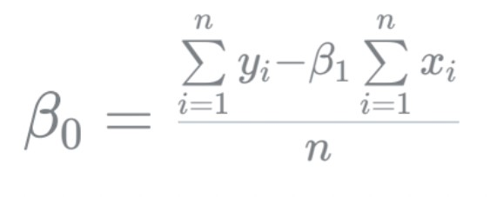

 |  |  |  |  |  |  | = | 167.68294945

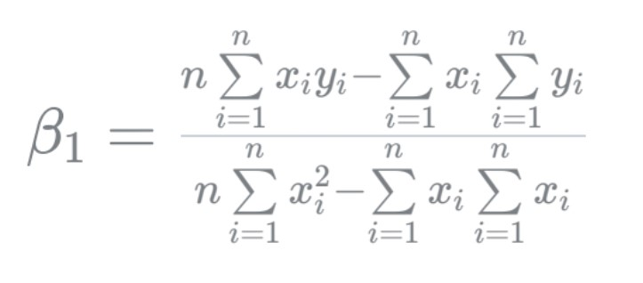

 |  |  |  |  |  |  | = | 23.422785593

